K Means
Iteration 0 | Randomly select cluster centers |  |  |  |  | Cluster 1
 |  |  |  |  |  | Cluster 2
Age | Weight | Cluster
28 | 70
21 | 64 |  |  |  | Step 1
56 | 80 |  | Center 1
70 | 81 |  |  |  | Randomly decided on cluster center
23 | 66
33 | 75 |  | Center 2

Age | Weight | Cluster
28 | 70
21 | 64
56 | 80 |  | Center 1 |  | Step 2
70 | 81
23 | 66 |  |  |  | Decide which data point goes where
33 | 75 |  | Center 2

Iteration 1 | Find how far each point is from the centers |  |  |  | Euclidean Distance
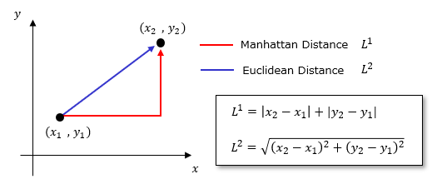
Age | Weight | Cluster | Distance C1 | Distance C2
28 | 70 |  | 29.732137495 | 7.0710678119
21 | 64 |  | 38.48376281 | 16.278820596
56 | 80 |  | 0 | 23.537204592
70 | 81 |  | 14.035668848 | 37.483329628
23 | 66 |  | 35.846896658 | 13.453624047
33 | 75 |  | 23.537204592 | 0

Iteration 2 | Re label the points

Age | Weight | Cluster | Distance C1 | Distance C2 | New Cluster Labels
28 | 70 |  | 29.732137495 | 7.0710678119 |  | Distance C2< Distance C1
21 | 64 |  | 38.48376281 | 16.278820596 |  | Distance C2< Distance C1
56 | 80 |  | 0 | 23.537204592 |  | Cluster center
70 | 81 |  | 14.035668848 | 37.483329628 |  | Distance C1<Distance C2
23 | 66 |  | 35.846896658 | 13.453624047 |  | Distance C2< Distance C1
33 | 75 |  | 23.537204592 | 0 |  | Cluster center

Iteration 3 | Re compute cluster centers
 |  |  |  |  |  |  |  | X (Age) | Y (Weight)
Age | Weight | Cluster | Distance C1 | Distance C2 | New Cluster Labels |  | Center 1 | 63 | 80.5
28 | 70 |  | 29.732137495 | 7.0710678119 |  | Distance C2< Distance C1 | Center 2 | 35.5 | 68.75
21 | 64 |  | 38.48376281 | 16.278820596 |  | Distance C2< Distance C1
56 | 80 |  | 0 | 23.537204592 |  | Cluster center
70 | 81 |  | 14.035668848 | 37.483329628 |  | Distance C1<Distance C2
23 | 66 |  | 35.846896658 | 13.453624047 |  | Distance C2< Distance C1
33 | 75 |  | 23.537204592 | 0 |  | Cluster center

Repeat 1 to 3 till convergence

Standardisation
Numbers | Mean | Standard Deviation | X Standardized
43 | 44.92 | 28.377569745 | -0.067659070781
48 |  |  | 0.10853642605
19 |  |  | -0.91339745555
15 |  |  | -1.054353853
5 |  |  | -1.4067448467
56 |  |  | 0.39044922097
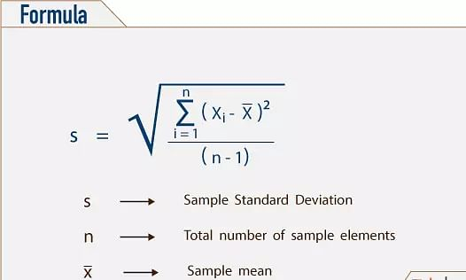
43 |  |  | -0.067659070781
52 |  |  | 0.24949282351
9 |  |  | -1.2657884492
13 |  |  | -1.1248320517
7 |  |  | -1.3362666479
66 |  |  | 0.74284021462
25 |  |  | -0.70196285936
98 |  |  | 1.8704913943
70 |  |  | 0.88379661208
28 |  |  | -0.59624556126
37 |  |  | -0.27909366697
21 |  |  | -0.84291925682
70 |  |  | 0.88379661208
59 |  |  | 0.49616651906
24 |  |  | -0.73720195872
94 |  |  | 1.7295349969
36 |  |  | -0.31433276634
76 |  |  | 1.0952312083
64 |  |  | 0.67236201589
2 |  |  | -1.5124621448
38 |  |  | -0.24385456761
33 |  |  | -0.42005006443
34 |  |  | -0.38481096507
9 |  |  | -1.2657884492
18 |  |  | -0.94863655492
4 |  |  | -1.441983946
54 |  |  | 0.31997102224
69 |  |  | 0.84855751272
48 |  |  | 0.10853642605
33 |  |  | -0.42005006443
67 |  |  | 0.77807931399
36 |  |  | -0.31433276634
25 |  |  | -0.70196285936
14 |  |  | -1.0895929524
1 |  |  | -1.5477012441
16 |  |  | -1.0191147536
97 |  |  | 1.8352522949
32 |  |  | -0.4552891638
46 |  |  | 0.038058227315
3 |  |  | -1.4772230454
46 |  |  | 0.038058227315
87 |  |  | 1.4828613013
44 |  |  | -0.032419971416
94 |  |  | 1.7295349969
61 |  |  | 0.56664471779
12 |  |  | -1.1600711511
58 |  |  | 0.4609274197
21 |  |  | -0.84291925682
41 |  |  | -0.13813726951
39 |  |  | -0.20861546824
96 |  |  | 1.8000131956
84 |  |  | 1.3771440032
88 |  |  | 1.5181004007
16 |  |  | -1.0191147536
45 |  |  | 0.0028191279492
30 |  |  | -0.52576736253
86 |  |  | 1.4476222019
97 |  |  | 1.8352522949
19 |  |  | -0.91339745555
10 |  |  | -1.2305493498
61 |  |  | 0.56664471779
84 |  |  | 1.3771440032
15 |  |  | -1.054353853
83 |  |  | 1.3419049038
73 |  |  | 0.98951391018
51 |  |  | 0.21425372414
74 |  |  | 1.0247530095
92 |  |  | 1.6590567981
5 |  |  | -1.4067448467
77 |  |  | 1.1304703076
63 |  |  | 0.63712291653
100 |  |  | 1.940969593
55 |  |  | 0.3552101216
1 |  |  | -1.5477012441
56 |  |  | 0.39044922097
66 |  |  | 0.74284021462
55 |  |  | 0.3552101216
82 |  |  | 1.3066658045
25 |  |  | -0.70196285936
82 |  |  | 1.3066658045
44 |  |  | -0.032419971416
37 |  |  | -0.27909366697
31 |  |  | -0.49052826317
19 |  |  | -0.91339745555
3 |  |  | -1.4772230454
67 |  |  | 0.77807931399
59 |  |  | 0.49616651906
15 |  |  | -1.054353853
52 |  |  | 0.24949282351
14 |  |  | -1.0895929524
17 |  |  | -0.98387565428
45 |  |  | 0.0028191279492
17 |  |  | -0.98387565428
41 |  |  | -0.13813726951

Normalisation
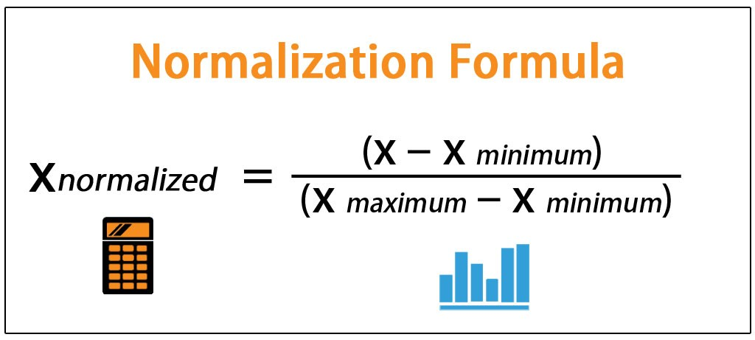
 |  |  | X Normalzed
Numbers | Maximum Value | Minimum Value | X Max - X Min | X Normalized
53222 | 99309 | 6503 | 92806 | 0.50340495227
51817 |  |  |  | 0.48826584488
88046 |  |  |  | 0.87863931211
16998 |  |  |  | 0.11308536086
71447 |  |  |  | 0.69978234166
25742 |  |  |  | 0.20730340711
25660 |  |  |  | 0.20641984354
6503 |  |  |  | 0
62563 |  |  |  | 0.60405577226
66241 |  |  |  | 0.64368683059
21232 |  |  |  | 0.15870741116
25733 |  |  |  | 0.20720643062
36073 |  |  |  | 0.31862164084
66533 |  |  |  | 0.64683317889
84813 |  |  |  | 0.84380320238
15926 |  |  |  | 0.10153438355
72287 |  |  |  | 0.70883348059
75400 |  |  |  | 0.74237657048
84862 |  |  |  | 0.84433118548
55499 |  |  |  | 0.52794000388
11622 |  |  |  | 0.055158071676
80736 |  |  |  | 0.79987285305
12122 |  |  |  | 0.060545654376
48056 |  |  |  | 0.44774044782
15236 |  |  |  | 0.094099519428
70601 |  |  |  | 0.69066655173
34876 |  |  |  | 0.30572376786
53876 |  |  |  | 0.51045191044
52162 |  |  |  | 0.49198327694
75025 |  |  |  | 0.73833588346
65860 |  |  |  | 0.63958149258
84790 |  |  |  | 0.84355537357
91024 |  |  |  | 0.91072775467
86053 |  |  |  | 0.85716440747
32705 |  |  |  | 0.28233088378
48480 |  |  |  | 0.45230911794
73068 |  |  |  | 0.71724888477
73013 |  |  |  | 0.71665625067
19467 |  |  |  | 0.13968924423
61125 |  |  |  | 0.58856108441
95900 |  |  |  | 0.96326746116
27894 |  |  |  | 0.23049156305
50762 |  |  |  | 0.47689804538
24665 |  |  |  | 0.19569855397
81491 |  |  |  | 0.80800810292
57315 |  |  |  | 0.54750770424
91850 |  |  |  | 0.91962804129
68164 |  |  |  | 0.66440747365
63298 |  |  |  | 0.61197551882
83031 |  |  |  | 0.82460185764
43748 |  |  |  | 0.40132103528
95699 |  |  |  | 0.96110165291
73419 |  |  |  | 0.72103096783
76378 |  |  |  | 0.75291468224
23372 |  |  |  | 0.18176626511
18853 |  |  |  | 0.13307329268
16276 |  |  |  | 0.10530569144
32960 |  |  |  | 0.28507855096
38749 |  |  |  | 0.34745598345
88950 |  |  |  | 0.88838006163
27304 |  |  |  | 0.22413421546
68722 |  |  |  | 0.67042001595
84625 |  |  |  | 0.84177747128
53075 |  |  |  | 0.50182100295
14220 |  |  |  | 0.083151951382
63735 |  |  |  | 0.6166842661
53460 |  |  |  | 0.50596944163
64324 |  |  |  | 0.62303083852
31940 |  |  |  | 0.27408788225
14520 |  |  |  | 0.086384501002
75829 |  |  |  | 0.74699911644
20367 |  |  |  | 0.14938689309
70568 |  |  |  | 0.69031097127
92402 |  |  |  | 0.92557593259
45918 |  |  |  | 0.42470314419
92272 |  |  |  | 0.92417516109
63164 |  |  |  | 0.61053164666
11364 |  |  |  | 0.052378079004
32071 |  |  |  | 0.27549942892
92387 |  |  |  | 0.92541430511
72633 |  |  |  | 0.71256168782
58785 |  |  |  | 0.56334719738
8853 |  |  |  | 0.025321638687
27528 |  |  |  | 0.22654785251
8829 |  |  |  | 0.025063034718
19876 |  |  |  | 0.14409628688
81196 |  |  |  | 0.80482942913
84551 |  |  |  | 0.84098010904
59223 |  |  |  | 0.56806671982
99309 |  |  |  | 1
34287 |  |  |  | 0.29937719544
91559 |  |  |  | 0.91649246816
38333 |  |  |  | 0.34297351464
37285 |  |  |  | 0.33168114131
7302 |  |  |  | 0.0086093571536
60632 |  |  |  | 0.58324892787
96969 |  |  |  | 0.97478611297
81146 |  |  |  | 0.80429067086
57647 |  |  |  | 0.55108505916
48742 |  |  |  | 0.45513221128

